CONSIGNES
CONSIGNES
la Beaver Dam Craft Ales, la première brasserie de la Comté, vous a recruté en tant que consultant data analyst pour l'aider à établir un tableau de bord. On vous remet les documents suivants :
- "Custommers" est la liste de tous les client de la Brasserie
- "Orders" est la liste de toutes les commandes pour l'année 2968 SR
- "Beer" contient la liste des bières fabriqués par la Beaver Dam Craft Ales.
Mission :
Votre mission est de créer des tableaux de bord pour répondre aux questions du patron de la Beaver Dam Craft Ales :
- Tableau de bord sur l'évolution de l'activité avec une vue mensuel et une vue trimestriel. Evolution des ventes, évolution pour chaque type de bière, évolution par zone géographique.
- Tableau de bord sur les clients : identifier les meilleurs clients en volume, en montant, en régularité etc... Attention, ce tableau doit présenter les noms des tavernes et pas les noms des interlocuteurs.
- Tableau de bord sur les remises accordés.
Contraintes :
- Les onglet "Custommers", "Orders" et "Beer" doivent pouvoir être mise à jour facilement : il ne doivent donc pas contenir de formules de calcul ou de modifications. Tous les calculs et les tableaux de bords doivent être construit dans de nouveaux onglets.
- Le propriétaire n'aime pas les tableaux croisés dynamiques : trouvez une autre solution.

ex1
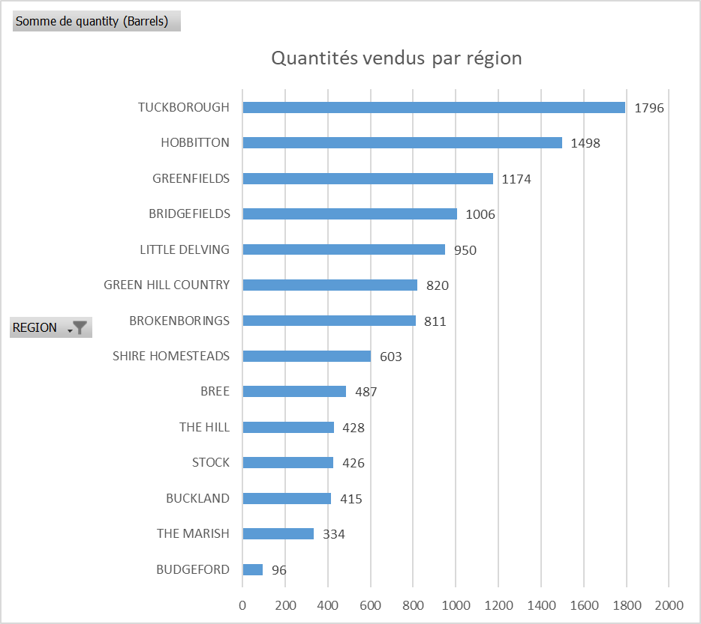

ex2
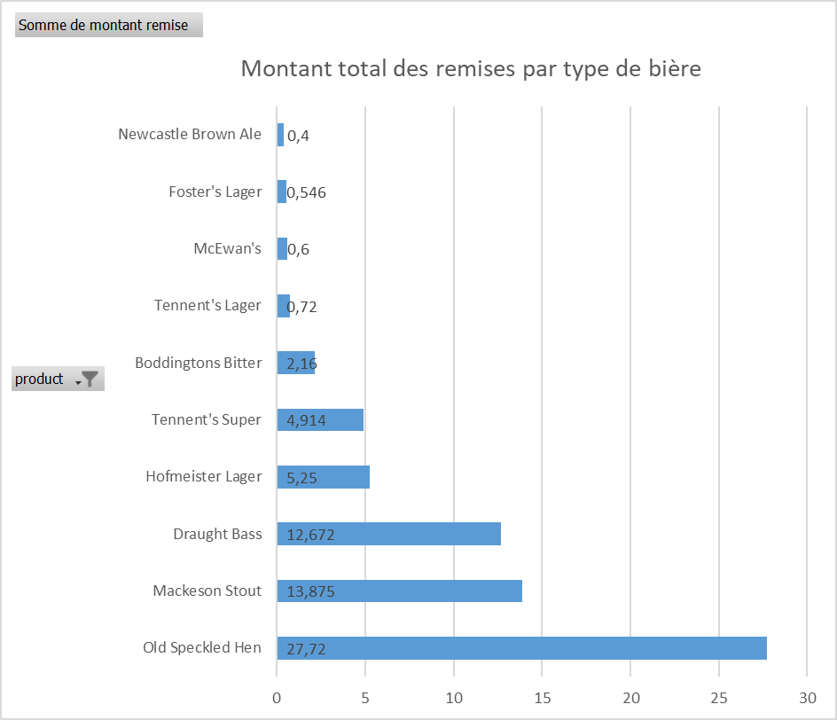

ex4
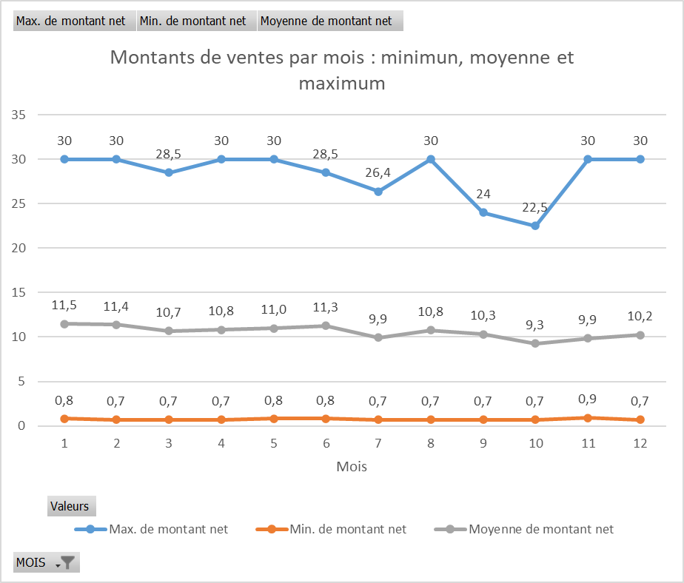

ex5
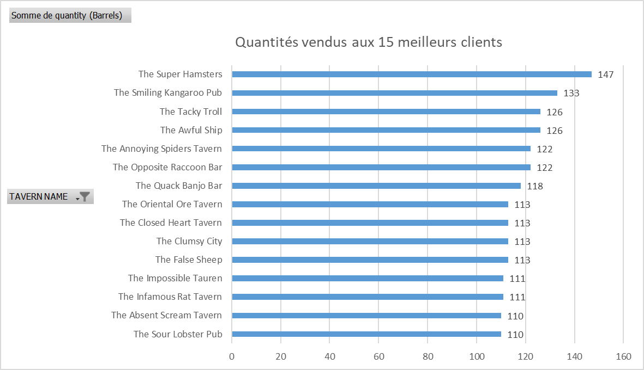

ex6
